Disability Calculator
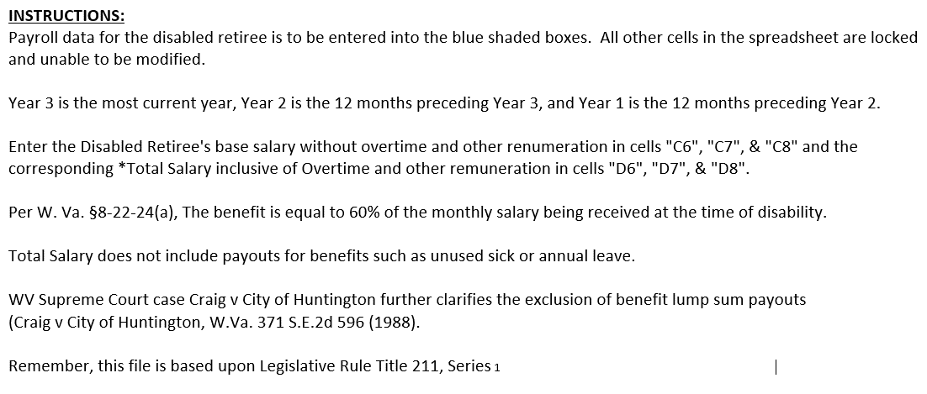
 |  |  | Total Salary |  | Average | Ave Adj |  |  | Monthly | Monthly Disability Salary
 | Twelve Consecutive | Base Salary | Inclusive | Adjusted | Adjusted | Salary @ | Annual | Monthly | Disability | Active/Qualified Military Years of Service
Year | Month Period | No Overtime | of Overtime* | Salary | Salary | 120% | Salary | Salary | Salary | Year 1 | Year 2 | Year 3 | Year 4

Final |  |  |  |  | 44,495.65 | 53,394.78 | 37,000.00 | 3,083.33 | 1,850.00 | 1,880.83 | 1,911.67 | 1,942.50 | 1,973.33
Year 3 | 5/1/12 thru 4/30/13 | 34,000.00 | 37,000.00
Year 2 | 5/1/11 thru 4/30/12 | 25,000.00 | 35,000.00 | 47,600.00
Year 1 | 5/1/10 thru 4/30/11 | 23,000.00 | 28,000.00 | 41,391.30

Calculator Diagram
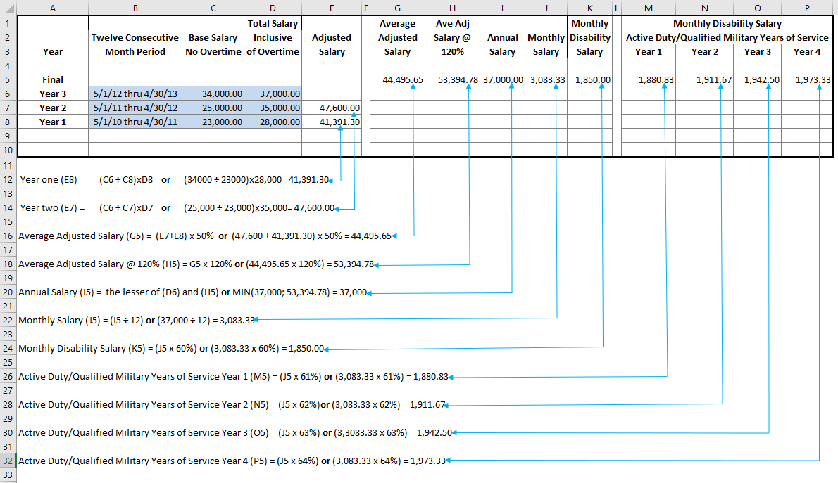
MPOB Disability Calculator Diagram

WVa Code 211-1-2 Definitions
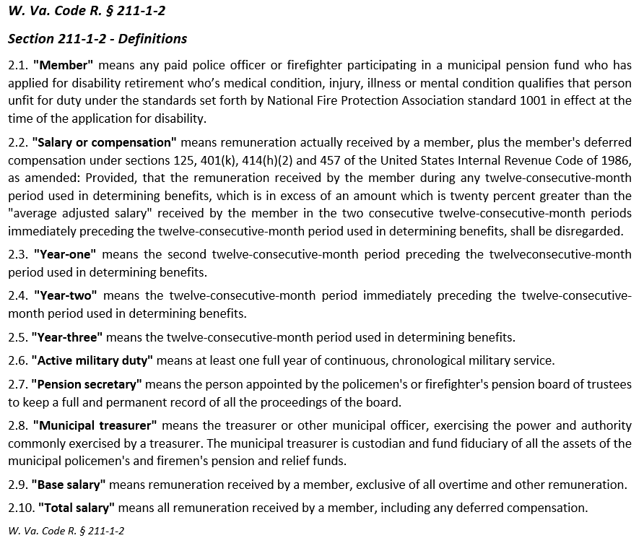

211-1-3 Military Experience
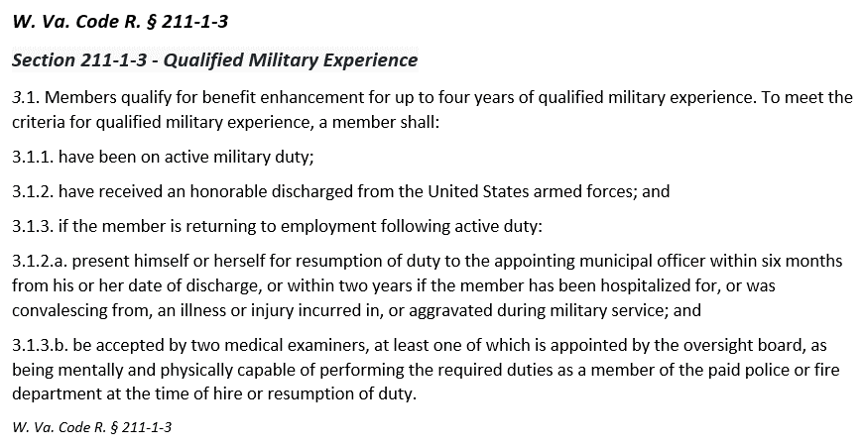

Oversight Board, as

211-1-4 Disability Calculations
