Instructions
This calculator will not work for Survivors. Please use the Survivor COLA calculator on the MPOB website
If there is a reduction in benefit, this Calculator will not work. Please contact the MPOB for any reduction calculation such as a QDRO or Non-duty disability reduction due to earned income.

COLUMN B WILL ASK FOR THE "RETIREMENT DATE OF MEMBER". INPUT THE DATE ON WHICH A MEMBER'S RETIREMENT BECAME EFFECTIVE ON THE SAME LINE AS THEIR NAME AND OTHER INFORMATION. THE CALCULATOR WILL AUTOMATICALLY DETERMINE IN COLUMN C WHEN THE MEMBER WILL BECOME, OR BECAME, ELIGIBLE FOR COLA. COLUMN C DEFAULTS TO 1991 WHEN THE DATE ENTERED IN COLUMN B IS A DATE EARLIER THAN JULY 1, 1991.

"THE PENSION PLAN COLA CALCULATOR” WAS DEVELOPED TO MEET WV CODE §8-22-26A LAST REVISED BY HB2625 PASSED ON MARCH 9, 1991 IN EFFECT FROM PASSAGE. IF YOU HAVE RETIREES OR SURVIVING SPOUSES WHO WERE RETIRED PRIOR TO JULY 1, 1991 AND WHO RECEIVED COLA ON JULY 1, 1987, 1988, 1989 OR 1990, THIS CALCULATOR ALSO WORKS FOR YOUR RETIREE OR SURVIVING SPOUSE.

FIRST TIME SETTING UP YOUR COLA CALCULATOR -DIRECTIONS:
1) | Cell D5 - Enter the City and Department
2) | Cell D8 - Enter the current year
3) | Cell G5- Enter the COLA % obtained from the Certification of Additional Supplemental Benefits letter provided annually by Bolton at the end of February
4) | Cell D12- Input the name of the Retiree or the name of the Surviving Spouse or Dependent
5) | Cell E12 - under "STARTING BENEFIT" enter the starting benefit amount (i.e. the original benefit amount received by the retiree when they first retired) for your Retiree OR the starting benefit amount for the Surviving Spouse
6) | Column G will Auto-generate written per WV Code
7) | Column H - Enter the Current amount your Retiree, Surving Spouse, or Dependent is paid
ALL OTHER CELLS AND DATA ARE LOCKED AND WILL AUTO-GENERATE PER WV CODE

STEPS FOR CALCULATING COLA FOR THE NEXT FISCAL YEAR
To start a New Year, select File; Save as, "20xx COLA Calculations", where xx is the current year. Using this new file, follow the instructions EXACTLY!
IN ORDER FOR THE CALCULATIONS TO BE CORRECT YOU MUST FOLLOW EACH STEP IN ORDER

STEP ONE: IN COLUMN N COPY ALL OF THE ENDING YEAR DATA DOWN AND PASTE WITH VALUES TO COLUMN H "CURRENT MONTHLY BENEFIT" (see instructions below for how to paste "values" only)
STEP TWO: INPUT THE NEW YEAR IN CELL D8 "CURRENT YEAR"
STEP THREE: INPUT THE NEW COLA %, OBTAINED FROM THE CERTIFICATION OF ADDITIONAL SUPPLEMENTAL BENEFITS LETTER PROVIDED ANNUALLY BY BOLTON AT THE END OF FEBRUARY, IN CELL G5
 |  | HOW TO COPY AND PASTE (WITH VALUES):
 |  | 1) COPY: | Click the cell that you want to copy (for example M12 from the picture below) then click the right mouse button and select the option for "Copy" from the menu that pops up. To copy more than once cell at a time, position you mouse over the first number in the column you want to copy then clikc and hold the left mouse button and drage the mouse to the bottom of the list before clicking the right mouse button anywhere in the highlighted area and left clicking "Copy".
 | 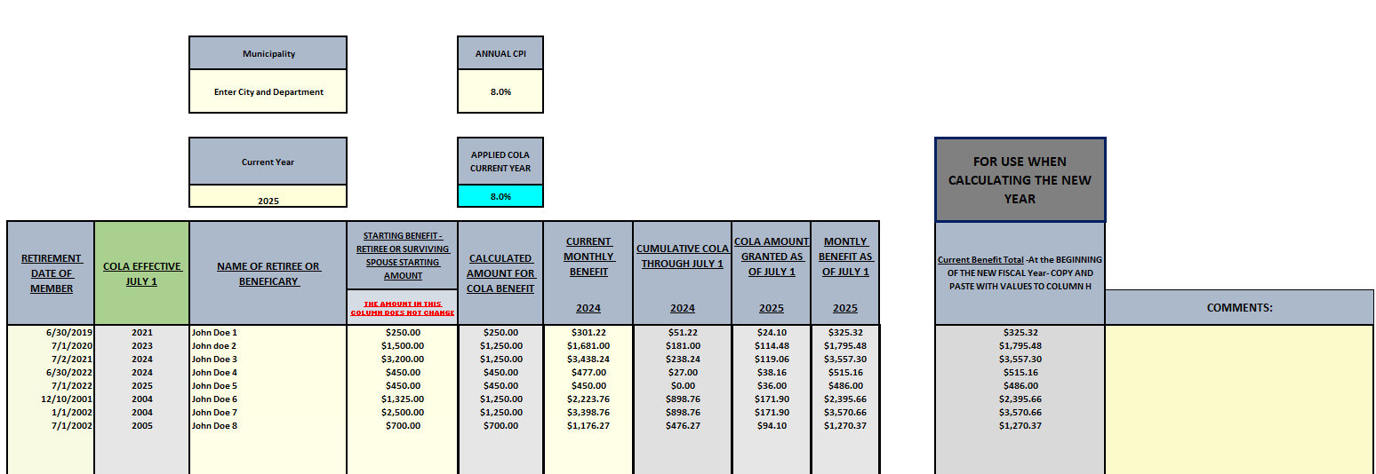

 |  | 2) PASTE: | To past the copied numbers/information into the cola calculator, right click in the cell at the top of the column which you wish to input the copied information into. In the popup window under "Paste Option" click the clipboard icon that shows "123" in the lower righthand corner (see picture to the right). This option is called "Paste Values" and will paste the copied information without extra formatting or formulas that may be associated with the copied information.

